ZG
Mixing Intensity | 0.8 |  | 0.8 |  | 0.8 |  | 0.8 |  | 0.8 |  | 0.8 |  | 0.8 |  | 0.8 |  | 0.8 |  | 0.8 |  | 0.8
Mix Volume | 10 |  | 50 |  | 250 |  | 850 |  | 1200 |  | 2000 |  | 5000 |  | 10000 |  | 20000 |  | 20000 |  | 20000
 | Volume | Viscosity | Volume | Viscosity | Volume | Viscosity | Volume | Viscosity | Volume | Viscosity | Volume | Viscosity | Volume | Viscosity | Volume | Viscosity | Volume | Viscosity | Volume | Viscosity | Volume | Viscosity
 | ZG1 | ZG1 | ZG2 | ZG2 | ZG3 | ZG3 | ZG5 | ZG5 | ZG6 | ZG6 | ZG7 | ZG7 | ZG8 | ZG8 | ZG9 | ZG9 | ZG10 | ZG10
 | 8 | 1 | 40 | 1 | 200 | 1 | 680 | 1 | 960 | 1 | 1600 | 1 | 4000 | 1 | 8000 | 1 | 16000 | 1 | 30000 | 1 | 50000 | 1
 | 7 | 5 | 36 | 5 | 182 | 5 | 619 | 5 | 874 | 5 | 1456 | 5 | 3640 | 5 | 7280 | 5 | 14560 | 5
 | 7 | 10 | 33 | 10 | 166 | 10 | 564 | 10 | 797 | 10 | 1328 | 10 | 3320 | 10 | 6640 | 10 | 13280 | 10
 | 6 | 15 | 31 | 15 | 154 | 15 | 524 | 15 | 739 | 15 | 1232 | 15 | 3080 | 15 | 6160 | 15 | 12320 | 15
 | 6 | 20 | 29 | 20 | 144 | 20 | 490 | 20 | 691 | 20 | 1152 | 20 | 2880 | 20 | 5760 | 20 | 11520 | 20
 | 5 | 25 | 27 | 25 | 136 | 25 | 462 | 25 | 653 | 25 | 1088 | 25 | 2720 | 25 | 5440 | 25 | 10880 | 25
 | 5 | 30 | 26 | 30 | 131 | 30 | 445 | 30 | 629 | 30 | 1048 | 30 | 2620 | 30 | 5240 | 30 | 10480 | 30
 | 5 | 35 | 25 | 35 | 126 | 35 | 428 | 35 | 605 | 35 | 1008 | 35 | 2520 | 35 | 5040 | 35 | 10080 | 35
 | 5 | 40 | 25 | 40 | 123 | 40 | 418 | 40 | 590 | 40 | 984 | 40 | 2460 | 40 | 4920 | 40 | 9840 | 40
 | 5 | 45 | 24 | 45 | 120 | 45 | 408 | 45 | 576 | 45 | 960 | 45 | 2400 | 45 | 4800 | 45 | 9600 | 45
 | 5 | 50 | 23 | 50 | 117 | 50 | 398 | 50 | 563 | 50 | 938 | 50 | 2344 | 50 | 4688 | 50 | 9376 | 50
 | 5 | 55 | 23 | 55 | 114 | 55 | 388 | 55 | 547 | 55 | 912 | 55 | 2280 | 55 | 4560 | 55 | 9120 | 55
 | 4 | 60 | 22 | 60 | 112 | 60 | 381 | 60 | 538 | 60 | 896 | 60 | 2240 | 60 | 4480 | 60 | 8960 | 60
 | 4 | 65 | 22 | 65 | 110 | 65 | 374 | 65 | 528 | 65 | 880 | 65 | 2200 | 65 | 4400 | 65 | 8800 | 65
 | 4 | 70 | 22 | 70 | 108 | 70 | 367 | 70 | 518 | 70 | 864 | 70 | 2160 | 70 | 4320 | 70 | 8640 | 70
 | 4 | 75 | 21 | 75 | 106 | 75 | 360 | 75 | 509 | 75 | 848 | 75 | 2120 | 75 | 4240 | 75 | 8480 | 75
 | 4 | 80 | 21 | 80 | 104 | 80 | 354 | 80 | 499 | 80 | 832 | 80 | 2080 | 80 | 4160 | 80 | 8320 | 80
 | 4 | 85 | 20 | 85 | 102 | 85 | 347 | 85 | 490 | 85 | 816 | 85 | 2040 | 85 | 4080 | 85 | 8160 | 85
 | 4 | 90 | 20 | 90 | 100 | 90 | 340 | 90 | 480 | 90 | 800 | 90 | 2000 | 90 | 4000 | 90 | 8000 | 90
 | 4 | 95 | 20 | 95 | 98 | 95 | 333 | 95 | 470 | 95 | 784 | 95 | 1960 | 95 | 3920 | 95 | 7840 | 95
 | 4 | 100 | 19 | 100 | 97 | 100 | 330 | 100 | 466 | 100 | 776 | 100 | 1940 | 100 | 3880 | 100 | 7760 | 100
 | 3 | 150 | 17 | 150 | 86 | 150 | 292 | 150 | 413 | 150 | 688 | 150 | 1720 | 150 | 3440 | 150 | 6880 | 150
 | 3 | 200 | 16 | 200 | 78 | 200 | 265 | 200 | 374 | 200 | 624 | 200 | 1560 | 200 | 3120 | 200 | 6240 | 200
 | 3 | 250 | 14 | 250 | 71 | 250 | 241 | 250 | 341 | 250 | 568 | 250 | 1420 | 250 | 2840 | 250 | 5680 | 250
 | 3 | 300 | 13 | 300 | 64 | 300 | 218 | 300 | 307 | 300 | 512 | 300 | 1280 | 300 | 2560 | 300 | 5120 | 300
 | 2 | 350 | 12 | 350 | 58 | 350 | 197 | 350 | 278 | 350 | 464 | 350 | 1160 | 350 | 2320 | 350 | 4640 | 350
 | 2 | 400 | 10 | 400 | 52 | 400 | 177 | 400 | 250 | 400 | 416 | 400 | 1040 | 400 | 2080 | 400 | 4160 | 400
 | 2 | 450 | 9 | 450 | 47 | 450 | 160 | 450 | 226 | 450 | 376 | 450 | 940 | 450 | 1880 | 450 | 3760 | 450
 | 2 | 500 | 8 | 500 | 42 | 500 | 143 | 500 | 202 | 500 | 336 | 500 | 840 | 500 | 1680 | 500 | 3360 | 500
 | 2 | 550 | 8 | 550 | 38 | 550 | 129 | 550 | 182 | 550 | 304 | 550 | 760 | 550 | 1520 | 550 | 3040 | 550
 | 1 | 600 | 7 | 600 | 34 | 600 | 116 | 600 | 163 | 600 | 272 | 600 | 680 | 600 | 1360 | 600 | 2720 | 600
 | 1 | 650 | 6 | 650 | 30 | 650 | 102 | 650 | 144 | 650 | 240 | 650 | 600 | 650 | 1200 | 650 | 2400 | 650
 | 1 | 700 | 5 | 700 | 26 | 700 | 90 | 700 | 127 | 700 | 211 | 700 | 528 | 700 | 1056 | 700 | 2112 | 700
 | 1 | 750 | 5 | 750 | 23 | 750 | 78 | 750 | 110 | 750 | 184 | 750 | 460 | 750 | 920 | 750 | 1840 | 750
 | 1 | 800 | 4 | 800 | 20 | 800 | 68 | 800 | 96 | 800 | 160 | 800 | 400 | 800 | 800 | 800 | 1600 | 800
Max vol at current cP | 7 |  | 33 |  | 166 |  | 564 |  | 797 |  | 1328 |  | 3320 |  | 6640 |  | 13280 |  | 0 |  | 0

Recommended Mixer | ZG7 |  | Kod för implementering av ZG11 och ZG12 | N/A | ZG7
Alternative choice | 0

 | Storlek | N [rpm] | D [Mixer YD mm] | Power Number (Np) | ρ= densitet [kg/m3 ] | Volume [l] max | P (Teoretisk) [W] | τ Vridmoment mag [Nm] | τ Vridmoment uträknat [Nm] | P/V | Tip speed [m/s] | TP Diameter [mm] | Pumping Number NQ | Female Sleeve
 | ZG1 | 490 | 70 | 6.685 | 1000 | 10 | 6.120 | 1 | 0.12 | 0.61 | 1.80 | 55 | 1.16 | 18 |  |  |  |  |  |  | Primary & alternative |  | Metric | Unit | Imperial | Unit
Referensvärde | ZG1 | 490 | 70 | 6.685 | 1000 | 10 | 6.120 | 1 | 0.12 | 0.61 | 1.80 | 55 | 1.16 | 18 |  |  |  |  |  |  |  | Max speed: | 344 | rpm | 344 | rpm
 | ZG2 | 490 | 96 | 6.685 | 1000 | 50 | 29.689 | 1 | 0.58 | 0.594 | 2.46 | 55 | 1.16 | 18 |  |  |  |  |  |  |  | Power/Volume | 0.4864 | W/L | 1.841 | W/gal | Example graph
Referensvärde | ZG2 | 490 | 96 | 6.685 | 1000 | 50 | 29.689 | 1 | 0.58 | 0.594 | 2.46 | 55 | 1.16 | 18 |  |  |  |  |  |  |  | Tip Speed | 3.19 | m/s | 627 | ft/min
 | ZG3 | 490 | 117 | 6.685 | 1000 | 250 | 79.830 | 2 | 1.56 | 0.319 | 3.00 | 94 | 1.15 | 32 |  |  |  |  |  |  |  | Max speed - Indicative blending-time | 2 | min | 2 | min
Referensvärde | ZG3 | 490 | 117 | 6.685 | 1000 | 250 | 79.830 | 2 | 1.56 | 0.319 | 3.00 | 94 | 1.15 | 32 |  |  |  |  |  |  | Set working speed | Set Working speed: | 344 | rpm | 344 | rpm
 | ZG5 | 490 | 148 | 6.685 | 1000 | 850 | 258.550 | 6 | 5.0 | 0.304 | 3.80 | 94 | 1.1 | 32 |  |  |  |  |  |  |  | Power/Volume | 0.486 | W/L | 1.8412 | W/gal
Referensvärde | ZG5 | 490 | 148 | 6.685 | 1000 | 850 | 258.550 | 6 | 5.0 | 0.304 | 3.80 | 94 | 1.1 | 32 |  |  |  |  |  |  |  | Tip Speed: | 3.19 | m/s | 627 | ft/min
 | ZG6 | 490 | 160 | 6.685 | 1000 | 1000 | 381.800 | 8 | 7.4 | 0.382 | 4.10 | 104 | 1 | 32 |  |  |  |  |  |  |  | Set working speed - Indicative blending-time | 2 | min | 2 | min
Referensvärde | ZG6 | 490 | 160 | 6.685 | 1000 | 1000 | 381.800 | 8 | 7.4 | 0.382 | 4.10 | 104 | 1 | 32 |  |  |  |  |  |  |  | Reynolds Factor | 0.5
 | ZG7 | 490 | 177 | 6.685 | 2000 | 900 | 1265.121 | 13 | 24.7 | 1.406 | 4.54 | 129.5 | 1 | 32 |  |  |  |  |  |  |  | Max - Pumping capacity | 1903.31693
Referensvärde | ZG7 | 490 | 177 | 6.685 | 1000 | 900 | 632.561 | 13 | 12.3 | 0.703 | 4.54 | 129.5 | 1 | 32 |  |  |  |  |  |  |  | set - Pumping capacity | 1903.31693
 | ZG8 | 343 | 236 | 6.685 | 1000 | 5000 | 914.303 | 26 | 25.5 | 0.183 | 4.24 | 159.5 | 1 | 40
Referensvärde | ZG8 | 343 | 236 | 6.685 | 1000 | 5000 | 914.303 | 26 | 25.5 | 0.183 | 4.24 | 159.5 | 1 | 40 |  |  |  |  |  |  |  |  | Time (minutes)
 | ZG9 | 245 | 300 | 6.685 | 1000 | 10000 | 1105.993 | 50 | 43.1 | 0.111 | 3.85 | 199.5 | 1.15 | 40 |  |  |  |  |  |  |  | Tank Turnovers at 10cP | Max speed | Set working speed
Referensvärde | ZG9 | 245 | 300 | 6.685 | 1000 | 10000 | 1105.993 | 50 | 43.1 | 0.111 | 3.85 | 199.5 | 1.15 | 40 |  |  |  |  |  |  |  | 0 | 0.00 | 0.00
 | ZG10 | 245 | 350 | 6.685 | 1000 | 20000 | 2390.486 | 100 | 93.2 | 0.120 | 4.49 | 229.5 | 1.15 | 40 |  |  |  |  |  |  |  | 1 | 0.47 | 0.47
Referensvärde | ZG10 | 245 | 350 | 6.685 | 1000 | 20000 | 2390.486 | 100 | 93.2 | 0.120 | 4.49 | 229.5 | 1.15 | 40 |  |  |  |  |  |  |  | 2 | 0.95 | 0.95
 | ZG11 | 245 | 400 | 6.685 | 1000 | 35000 | 4660.643 |  | 181.7 | 0.133 | 5.13 | 249.5 |  |  |  |  |  |  |  |  |  | 3 | 1.42 | 1.42
Referensvärde | ZG11 | 245 | 400 | 6.685 | 1000 | 35000 | 4660.643 |  | 181.7 | 0.133 | 5.13 | 249.5 |  |  |  |  |  |  |  |  |  | 4 | 1.89 | 1.89
 | ZG12 | 245 | 450 | 6.685 | 1000 | 60000 | 8398.631 |  | 327.3 | 0.140 | 5.77 | 249.5 |  |  |  |  |  |  |  |  |  | 5 | 2.36 | 2.36
Referensvärde | ZG12 | 245 | 450 | 6.685 | 1000 | 60000 | 8398.631 |  | 327.3 | 0.140 | 5.77 | 249.5 |  |  |  |  |  |  |  |  |  | 6 | 2.84 | 2.84
 |  |  |  |  |  |  |  |  |  |  |  |  |  |  |  |  |  |  |  |  |  | 7 | 3.31 | 3.31
 |  |  |  |  |  |  |  |  |  |  |  |  |  |  |  |  |  |  |  |  |  | 8 | 3.78 | 3.78
 |  |  |  |  |  |  |  |  |  |  |  |  |  |  |  |  |  |  |  |  |  | 9 | 4.26 | 4.26
 |  |  |  |  |  |  |  |  |  |  |  |  |  |  |  |  |  |  |  |  |  | 10 | 4.73 | 4.73

 |  |  |  |  |  |  |  |  |  |  |  |  |  |  |  |  |  |  |  |  |  |  |  |  |  |  | B21 | 0.5 | Reynolds fa
 |  |  |  |  |  |  |  |  |  |  |  |  |  |  |  |  |  |  |  |  |  |  |  |  |  |  | E13 | 177 | Wing Diameter
 |  |  |  |  |  |  |  |  |  |  |  |  |  |  |  |  |  |  |  |  |  |  |  |  |  |  | E12 | 344 | Speed
 |  |  |  |  |  |  |  |  |  |  |  |  |  |  |  |  |  |  |  |  |  |  |  |  |  |  | E10 | 2000 | Density
 |  |  |  |  |  |  |  |  |  |  |  |  |  |  |  |  |  |  |  |  |  |  |  |  |  |  | E11 | 10 | Viscosity
 |  |  |  |  |  |  |  |  |  |  |  |  |  |  |  |  |  |  |  |  |  |  |  |  |  |  | AG36 | 1 | Pumping Number

Vessel dimension - DIN 28011
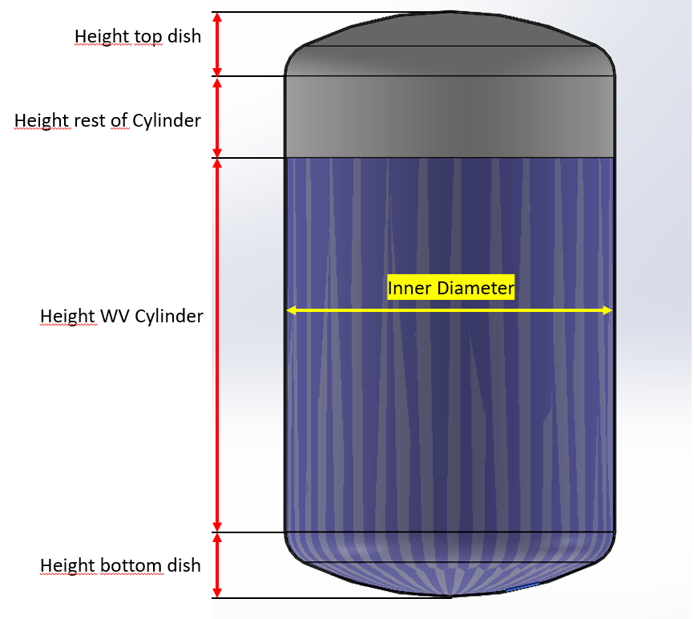
Torispherical (Kloepper Boden - DIN 28011)
Dimensions water volume
Dish Type | Torispherical acc. to DIN 28011 (SMS2634, Kloepper) |  | Dish parameters |  |  | Min vol | Last drop
Volume | 900 | L | Wall Thickness [t] | 5 | VD | 5
Inner diameter | 406 | mm | Inner Diameter (ID) | 406 | DH1 | #VALUE!
Inner radius | 203 | mm
Wall thickness | 5 | mm | Inner Radius (IR) | #VALUE! | ϕ (deg) | #VALUE!
Outer diameter | 406 | mm
 |  |  | Outer Diameter (OD) | 416 | β (deg) | #NUM!
Tankplate distance from center | 90mm |  | Crown Radius (CR) | 416 | a [mm] | 0.000
Tankplate distance from center (imperial) | 3,6 in |  | Knuckle Radius (KR) | 41.6 | ρ | 0 | -20.343584393
Volume bottom dish | 7 | L | Dish Height (DH) | 78 | FS3 | 5 | 1167.8445958
Height bottom dish | 78.2 | mm | (L) | 900 | FSD | 0 | #VALUE!
Volume Cylinder | 893.4 | L |  |  | FSH | 5 | #VALUE!
Height WV cylinder | 6900.2 | mm
Ratio | 17.2 |  | Mixer parameters |  | Min vol: | Last drop vol:
 |  |  | Mixer | ZG10 | #VALUE! | #VALUE!
 |  |  | TPø/2 | #N/A
Dimensions up to top of cylinder (Nominal Volume) |  |  | Female Sleeve Radius (FSø/2) | #N/A
Volume rest of cyl | 1100 | L | Female Sleeve Height (FS2) | #N/A
Inner diameter | 406 | mm | Top of MH | #N/A
Wall thickness | 5 | mm | Last Drop | #N/A
 |  |  | MH/2 | #N/A
Height top dish | 78.2 | mm
Height rest of cylinder | 8496.7 | mm
Complete vessel height | 15553.3 | mm

Vessel Weight
Tot Vessel inner Weight | 16053.0 | kg
Vessel outer Weight | 16863.5 | kg
Estimated empty vessel weight | 820.0 | kg

